Analysis of factors affecting s
 |  |  |  |  | Analysis of factors affecting student performance
 | Survey results on student performance
Grade | Average study hours per week | Average Attendance(%) | Average Score (out of 100) | Average sleep time (hour's) | Extracurricular activities | Anxiety and stress level (0 to 10 | Average favourite subject
5 | 3.5 | 90% | 78 | 9.0 | no | 4 | P.E
6 | 4.2 | 88% | 80 | 8.0 | no | 5 | English language
7 | 4.8 | 85% | 75 | 8.0 | 50/50 | 6 | Math
8 | 5.0 | 82% | 74 | 7.5 | yes | 7 | Physics
9 | 5.5 | 80% | 76 | 7.0 | yes | 7 | Kazakh language
10 | 6.0 | 78% | 79 | 6.5 | yes | 8 | P.E
11 | 6.5 | 75% | 82 | 6.0 | yes | 9 | P.E

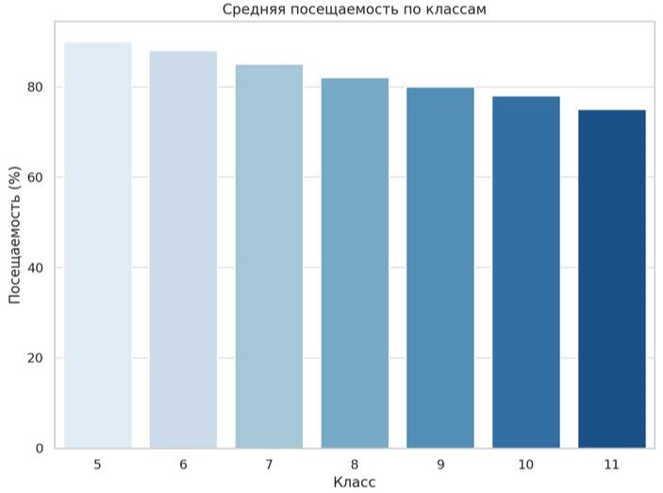
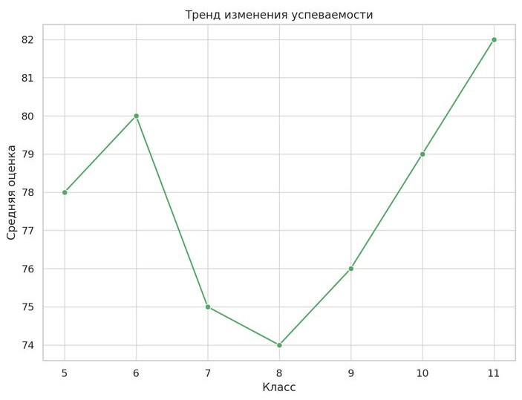
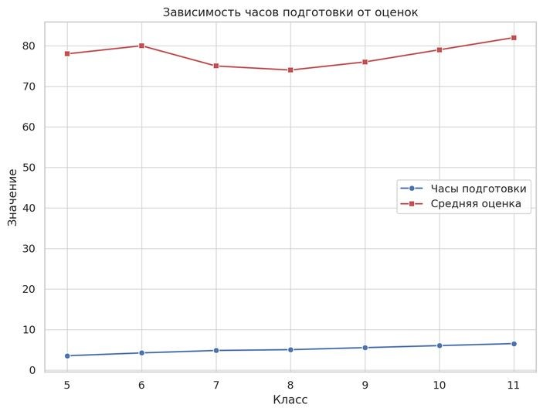
The impact on average grade caused be avrg.attendance

